Overall Performance
As of 2/24/18
Equity HPR
Equity Portfolio vs. Relevant Benchmark
Equity Portfolio | 3.82%
RU30INTR & NDDUWI | 1.91%
 | Equity Portfolio | Ticker | Weight | HPR
 |  | <Insert>
 |  | BMY | 2.78% | 11.48%
 |  | AMAT | 2.80% | 7.67%
 |  | HAS | 4.39% | 6.47%
 |  | STZ | 5.34% | -3.79%
 |  | PYPL | 6.19% | 7.92%
 |  | MPWR | 3.38% | 1.50%
 |  | ITA | 7.81% | 7.79%
 |  | IWV | 42.68% | 1.87%
 |  | FDX | 8.25% | -2.09%
 |  | MSFT | 8.85% | 9.92%
 |  | NKE | 7.53% | 7.36%
 |  | Equity Portfolio | 100.00% | 3.82%

Fixed Income HPR
Fixed Income Portfolio vs. Relevant Benchmark
Fixed Income Portfolio | -1.67%
LBUSTRUU | -1.84%
 | Fixed Income Portfolio | Ticker | Weight | HPR
 |  | <insert>
 |  | EMB | 26.86% | -2.93%
 |  | HYG | 16.82% | -0.67%
 |  | VCIT | 14.58% | -2.28%
 |  | CMBS | 13.96% | -1.25%
 |  | TDTT | 21.30% | -0.41%
 |  | IEF | 6.49% | -2.78%
 |  | Fixed Income Portfolio | 100.00% | -1.67%

SMIF Portfolio vs. Benchmark
SMIF Portfolio | 2.55%
Benchmark | 0.78%
 | Combined | Equity | 76.84% | 3.82%
 |  | Fixed Income | 23.10% | -1.67%
 |  | Cash | 0.05% | 0%
 |  | SMIF Portfolio | 100% | 2.55%

 | Benchmark | Ticker | Weight | HPR
 |  | RU30INTR | 50% | 1.88%
 |  | NDDUWI | 20% | 1.98%
 |  | RU30INTR & NDDUWI | N/A | 1.91%
 |  | LBUSTRUU | 30% | -1.84%
 |  | Benchmark | 100% | 0.78%

 | YTD Performance vs. Benchmark |  |  | 1.77%

Weekly Performance
Equity Portfolio vs. Relevant Benchmark
Equity Portfolio | 0.79%
RU30INTR & NDDUWI | 0.43%
Equity HPR
Equity Portfolio | Ticker | Weight | Weekly
 | <insert>
 | BMY | 2.78% | -1.46%
 | AMAT | 2.80% | 3.78%
 | HAS | 4.39% | -1.40%
 | STZ | 5.34% | -0.91%
 | PYPL | 6.19% | 1.68%
 | MPWR | 3.38% | 0.90%
 | ITA | 7.81% | 0.16%
 | IWV | 42.68% | 0.55%
 | FDX | 8.25% | 3.29%
 | MSFT | 8.85% | 2.24%
 | NKE | 7.53% | -0.20%
 | Equity Portfolio | 100.00% | 0.79%

Fixed Income HPR
Fixed Income Portfolio vs. Relevant Benchmark
Fixed Income Portfolio | -0.03%
LBUSTRUU | 0.00%
Fixed Income Portfolio | Ticker | Weight | Weekly
 | <insert>
 | EMB | 26.86% | -0.15%
 | HYG | 16.82% | -0.07%
 | VCIT | 14.58% | -0.08%
 | CMBS | 13.96% | -0.04%
 | TDTT | 21.30% | 0.17%
 | IEF | 6.49% | 0.12%
 | Fixed Income Portfolio | 100.00% | -0.03%

SMIF Portfolio vs. Benchmark
SMIF Portfolio | 0.60%
Benchmark | 0.30%
Combined | Equity | 76.84% | 0.79%
 | Fixed Income | 23.10% | -0.03%
 | Cash | 0.05% | 0%
 | SMIF Portfolio | 100% | 0.60%

Benchmark | Ticker | Weight | Weekly
 | RU30INTR | 50% | 0.53%
 | NDDUWI | 20% | 0.18%
 | RU30INTR & NDDUWI | N/A | 0.43%
 | LBUSTRUU | 30% | 0.00%
 | Benchmark | 100% | 0.30%

Return vs. Benchmark |  |  | 0.30%

Holdings
Current Snapshot of Portfolio

Equity Weight by Sector
 | Total
Health Care | 3%
Cons. Staples | 5%
Cons. Disc. | 12%
Industrials | 16%
Info. Tech. | 21%
Broad Market ETF | 43%
Fixed Income Weight by Asset Class
 | Total
Treasuries | 6%
Securitized | 14%
Inv. Grade Corp. | 15%
High Yield Corp | 17%
TIPS | 21%
International | 27%
Current Portfolio Composition
Equity | 76.8%
Fixed Income | 23.1%
Cash | 0.1%

 | Overall Portfolio |  | Equity | Ticker | Name | Weekly End Price | Purchase Price | Amount | Shares | Weight | Type | GICS Sector | Industry
 | Target Weight | 100% |  | <Insert>
 | Initial Size | $30,860.09 |  | BMY | Bristol-Myers Squibb | $67.95 | $61.28 | $679.50 | 10.00 | 2.8% | Equity | Health Care | Pharmaceuticals
 | Current Weight | 100% |  | AMAT | Applied Materials, Inc | $57.01 | $51.12 | $684.12 | 12.00 | 2.8% | Equity | Info. Tech. | Semiconductors & Semiconductor Equipment
 | Current Size | $31,810.42 |  | HAS | Hasbro, Inc. | $97.47 | $90.89 | $1,072.17 | 11.00 | 4.4% | Equity | Cons. Disc. | Leisure Products
 |  |  |  | STZ | Constellation Brands, Inc. | $217.46 | $228.57 | $1,304.76 | 6.00 | 5.3% | Equity | Cons. Staples | Beverages
 |  |  |  | PYPL | Paypal Holdings, Inc. | $79.69 | $73.62 | $1,514.11 | 19.00 | 6.2% | Equity | Info. Tech. | Software & Services
 |  |  |  | MPWR | Monolithic Power Systems, Inc. | $118.05 | $112.36 | $826.35 | 7.00 | 3.4% | Equity | Info. Tech. | Semi-Conductor
 | Equity |  |  | ITA | iShares US Aerospace & Defense | $203.10 | $188.11 | $1,909.14 | 9.40 | 7.8% | ETF | Industrials | N/A
 | Target Weight | 70.0% |  | IWV | iShares Russell 3000 | $162.35 | $158.17 | $10,432.61 | 64.26 | 42.7% | ETF | Broad Market ETF | N/A
 | Initial Size | $23,367.18 |  | FDX | FedEx Corporation | $252.22 | $249.49 | $2,017.76 | 8.00 | 8.3% | Equity | Industrials | Transportation & Logistics
 | Current Weight | 76.8% |  | MSFT | Microsoft Corporation | $94.06 | $85.54 | $2,163.38 | 23.00 | 8.9% | Equity | Info. Tech. | Software
 | Current Size | $24,444.22 |  | NKE | NIKE, Inc. | $68.16 | $62.55 | $1,840.32 | 27.00 | 7.5% | Equity | Cons. Disc. | Apparel & Textile Products
 |  |  |  |  |  |  |  |  |  |  |  |  |  |  | Updated: | 2018-02-17
 | Fixed Income |  | Fixed Income | Ticker | Name | Weekly End Price | Purchase Price | Amount | Shares | Weight | Type | Asset Class | SEC 12-Mo. Yield | Credit Rating | Duration | St. Dev. 3 Yr.
 | Target Weight | 30.0% |  | <insert>
 | Initial Size | $7,492.68 |  | EMB | iShares JP MORGAN USD EMERGING MARKETS BOND ETF | $112.68 | $116.10 | $1,974.15 | 17.52 | 26.9% | ETF | International | 4.63% | BB | 7.370 | 5.360
 | Current Weight | 23.1% |  | HYG | iShares iBoxx $ High Yield Corp Bd ETF | $86.39 | $87.26 | $1,236.24 | 14.31 | 16.8% | ETF | High Yield Corp | 5.12% | B | 3.700 | 5.410
 | Current Size | $7,349.68 |  | VCIT | Vanguard Interm-Term Corp Bd ETF | $84.96 | $87.39 | $1,071.35 | 12.61 | 14.6% | ETF | Inv. Grade Corp. | 3.26% | BBB | 6.400 | 3.610
 |  |  |  | CMBS | iShares Trust - iShares CMBS ETF | $50.38 | $51.27 | $1,025.74 | 20.36 | 14.0% | ETF | Securitized | 2.53% | AAA | 3.130 | 2.780
 |  |  |  | TDTT | FlexShares Trust - FlexShares iBoxx 3-Year Target Duration TIPS Index Fund | $24.26 | $24.35 | $1,565.26 | 64.52 | 21.3% | ETF | TIPS | 1.89% | AAA | 2.910 | 1.450
 |  |  |  | IEF | iShares Trust - iShares 7-10 Year Treasury Bond ETF | $102.13 | $105.57 | $476.95 | 4.67 | 6.5% | ETF | Treasuries | 1.97% | AAA | 7.570 | 4.750
 | Cash
 | Target Weight | 0.0% | Cash | Segment | Invested Cash | Fee Cost | Price Gain / Loss | Div. / Coupon | Uninvested Cash
 | Target Size | $0.00 |  | Equity | $23,367.18 | $0.00 | $0.00 | $0.00 | $0.00
 | Current Weight | 0.1% |  | Fixed Income | $7,492.68 | $0.00 | $0.00 | $16.52 | $16.52
 | Current Size | $16.52 |  | Total | $30,859.86 | $0.00 | $0.00 | $16.52 | $16.52

FI Portfolio
Credit Rating
 | Total
AAA | 41.7%
BB | 26.9%
B | 16.8%
Asset Class by Value
 | Total
Treasuries | $477
Securitized | $1,026
Inv. Grade Corp. | $1,071
High Yield Corp | $1,236
TIPS | $1,565
International | $1,974
Fixed Income Investment Thesis
SMIF’s goal for our fixed income portfolio is to have limited correlation among sectors, while still providing risk-adjusted returns above the Bloomberg Barclays US Aggregate Bond index through capital appreciation and income from attractive yields.

SMIF Portfolio | $31,810.42
Bond Weight | 23%
Bond Portfolio | $7,349.68

 | Index (AGG) | Portfolio | Over/Underweight
Weighted Avg. Credit Rating | AA- | A- | -3 notches
Weighted Avg. Duration | 6.11 | 5.52 | -0.59
Weighted Avg. Yield | 2.35% | 3.46% | 1.11%
Weighted Avg. St. Dev. | 2.70 | 3.88 | 1.18

Asset Classes | Ticker | Value | Weight | Credit Risk | SEC 12-Mo. Yld. | Duration | St. Dev. 3 Yr.
<Insert>
International | EMB | $1,974 | 27% | BB | 4.63% | 7.370 | 5.36
High Yield Corp | HYG | $1,236 | 17% | B | 5.12% | 4.490 | 5.41
Inv. Grade Corp. | VCIT | $1,071 | 15% | BBB | 3.26% | 6.400 | 3.61
Securitized | CMBS | $1,026 | 14% | AAA | 2.53% | 5.280 | 2.78
TIPS | TDTT | $1,565 | 21% | AAA | 1.89% | 2.910 | 1.45
Treasuries | IEF | $477 | 6% | AAA | 1.97% | 7.620 | 4.75
 | Total | $7,349.68

-Pivot-
Equity Weight by Sector
Row Labels | Sum of Weight
Health Care | 3%
Cons. Staples | 5%
Cons. Disc. | 12%
Industrials | 16%
Info. Tech. | 21%
Broad Market ETF | 43%
Grand Total | 100%

Fixed Income Weight by Asset Class
Row Labels | Sum of Weight
Treasuries | 6%
Securitized | 14%
Inv. Grade Corp. | 15%
High Yield Corp | 17%
TIPS | 21%
International | 27%
Grand Total | 100%

Asset Class by Value
Row Labels | Sum of Weight
AAA | 41.7%
BB | 26.9%
B | 16.8%
Grand Total | 85%

Row Labels | Sum of Value
Treasuries | $477
Securitized | $1,026
Inv. Grade Corp. | $1,071
High Yield Corp | $1,236
TIPS | $1,565
International | $1,974
Grand Total | $7,349.68

Workshop
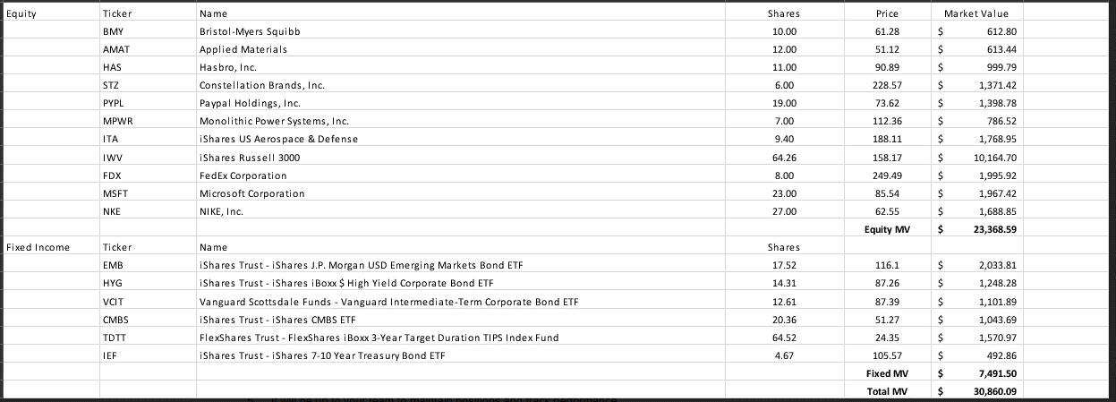
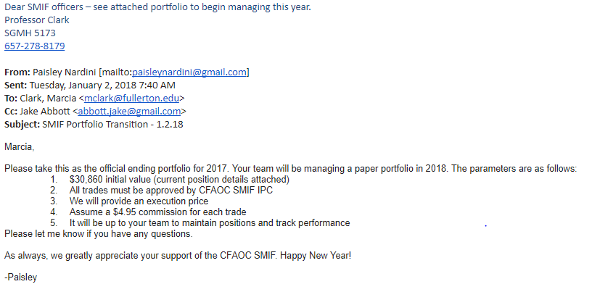

Work In Process
Talk about Asset Allocation

Sharpe Ratio | Work In Process
Sortino Ratio | Sharpe
Treynor Ratio | Treynor Ratio
Ulcer Performance Index | Sortino Ratio
 | Standard Deviation
Weekly HPR | Annualized Returns

