Sheet1
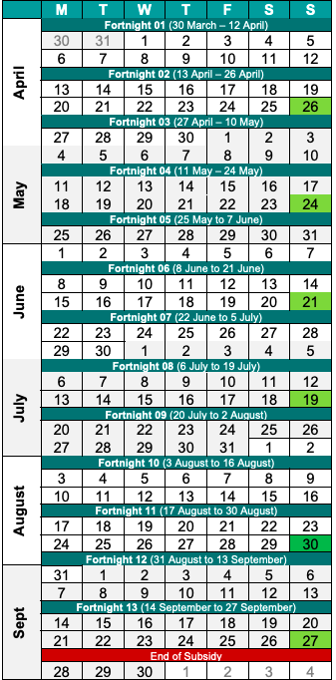
Important dates for JobKeeper
 |  | Per employee
2020-03-01 | Employee working in a business being carried on
2020-03-12 | Business has an ABN - no need GST registered
2020-03-30 | JK announced by Govt. decline from 30/3 to 30/9
2020-03-30 | 1st JK FN
2020-04-08 | Legislation passed
2020-04-13 | 2nd JK FN
2020-04-17 | Eligible employer gives notice to eligible employees
2020-04-20 | Employer meets eligibility tests and applies
2020-04-26 | All eligible employee forms returned, held on file
2020-04-27 | 3rd JK FN
2020-04-30 | 1st 2 FNs paid to eligible employees, top up allowed
2020-05-07 | Report monthly turnover
2020-05-11 | 4th JK FN
2020-05-14 | 1st payment for 1,2 | 3000
2020-05-25 | 5th JK FN
2020-06-07 | Report monthly turnover
2020-06-08 | 6th JK FN
2020-06-14 | 2nd payment for 3,4 | 3000
2020-06-22 | 7th JK FN
2020-07-06 | 8th JK FN
2020-07-07 | Report monthly turnover
2020-07-14 | 3rd payment for 5,6 | 3000
2020-07-20 | 9th JK FN
2020-08-03 | 10th JK FN
2020-07-07 | Report monthly turnover
2020-08-14 | 4th payment for 7,8 | 3000
2020-08-17 | 11th JK FN
2020-08-31 | 12th JK FN
2020-09-07 | Report monthly turnover
2020-09-14 | 5th payment for 9,10,11 | 4500
2020-09-14 | 13th JK FN
2020-09-28 | Ended
2020-10-07 | Report monthly turnover
2020-10-14 | 6th payment for 12 and 13 * or 30 September?? | 3000
 |  | 19500

* if eligble after March or April projected JK commences when the application is lodged

